Foglio1
 | MODELLO | PART | COLOUR | desc col | QTD | unit retail price | tot retail price | MADE | EAN | FABRIC
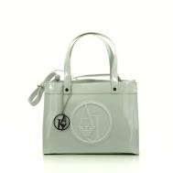 | 922500 | CC850 | 10 | white | 15 | € 170.00 | € 2,550.00 | CHINA | 8057015556826 | 100% POLIESTERE
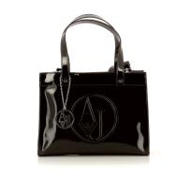 | 922500 | CC850 | 20 | black | 2 | € 170.00 | € 340.00 | CHINA | 8052390102590 | 100% POLIESTERE
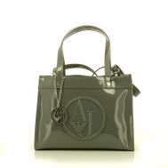 | 922500 | CC850 | 143 | concrete | 8 | € 170.00 | € 1,360.00 | CHINA | 8052390276307 | 100%POLIESTERE
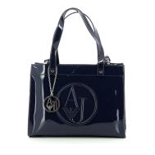 | 922500 | CC850 | 335 | deep blue | 0 | € 170.00 | € 0.00 | CHINA | 8052390276321 | 100%POLIESTERE
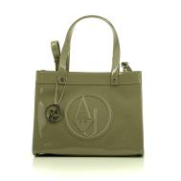 | 922500 | CC850 | 7753 | cappuccino | 3 | € 170.00 | € 510.00 | CHINA | 8052390276338 | 100%POLIESTERE
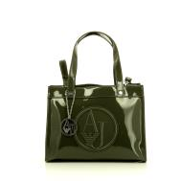 | 922500 | CC850 | 18940 | gray8/green | 3 | € 170.00 | € 510.00 | CHINA | 8052390276369 | 100%POLIESTERE
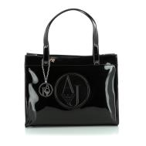 | 922501 | CC850 | 20 | black | 0 | € 170.00 | € 0.00 | CHINA | 8052390276376 | 100%POLIESTERE
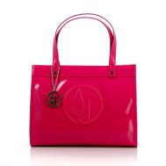 | 922501 | CC850 | 72 | fuxia | 2 | € 170.00 | € 340.00 | CHINA | 8051518539058 | 100%POLIESTERE
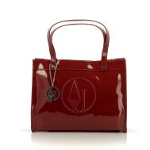 | 922501 | CC850 | 176 | brick red | 0 | € 170.00 | € 0.00 | CHINA | 8052390276390 | 100%POLIESTERE
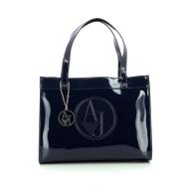 | 922501 | CC850 | 335 | deep blue | 1 | € 170.00 | € 170.00 | CHINA | 8058390102608 | 100%POLIESTERE
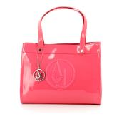 | 922501 | CC850 | 1272 | PINK | 2 | € 170.00 | € 340.00 | CHINA | 8051518832937 | 100%POLIESTERE
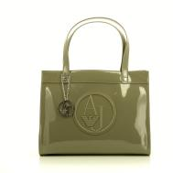 | 922501 | CC850 | 7753 | taupe | 3 | € 170.00 | € 510.00 | CHINA | 8052390276406 | 100%POLIESTERE
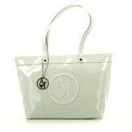 | 922505 | CC850 | 10 | white | 96 | € 170.00 | € 16,320.00 | CHINA | 8057015556970 | 100%POLIESTERE
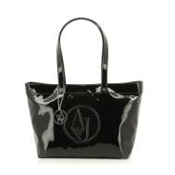 | 922505 | CC850 | 20 | black | 21 | € 170.00 | € 3,570.00 | CHINA | 8052390276512 | 100%POLIESTERE
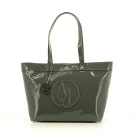 | 922505 | CC850 | 143 | concrete | 80 | € 170.00 | € 13,600.00 | CHINA | 8052390102620 | 100%POLIESTERE
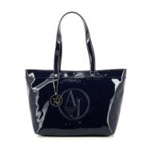 | 922505 | CC850 | 335 | deep blue | 78 | € 170.00 | € 13,260.00 | CHINA | 8052390276536 | 100%POLIESTERE
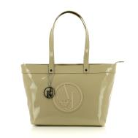 | 922505 | CC850 | 555 | beige | 20 | € 170.00 | € 3,400.00 | CHINA | 8051518278070 | 100%POLIESTERE
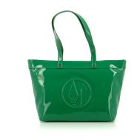 | 922505 | CC850 | 783 | green | 32 | € 170.00 | € 5,440.00 | CHINA | 8051518832982 | 100%POLIESTERE
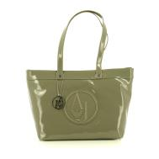 | 922505 | CC850 | 7753 | cappuccino | 97 | € 170.00 | € 16,490.00 | CHINA | 8052390276543 | 100%POLIESTERE
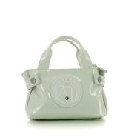 | 922528 | CC855 | 10 | white | 113 | € 109.00 | € 12,317.00 | CHINA | 8057015557120 | 80% POLIESTERE 20% VISCOSA
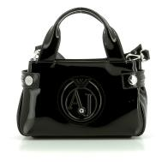 | 922528 | CC855 | 20 | black | 0 | € 109.00 | € 0.00 | CHINA | 8052390277632 | 80% POLIESTERE 20% VISCOSA
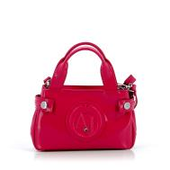 | 922528 | CC855 | 72 | fuxia | 84 | € 109.00 | € 9,156.00 | CHINA | 8051518539713 | 80% POLIESTERE 20% VISCOSA
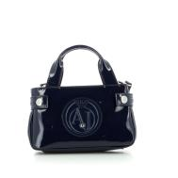 | 922528 | CC855 | 335 | deep blue | 0 | € 109.00 | € 0.00 | CHINA | 8052390277663 | 80% POLIESTERE 20% VISCOSA
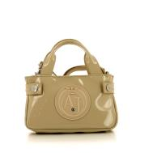 | 922528 | CC855 | 555 | beige | 5 | € 109.00 | € 545.00 | CHINA | 8051518278254 | 80% POLIESTERE 20% VISCOSA
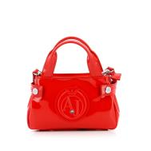 | 922528 | CC855 | 574 | apple | 23 | € 109.00 | € 2,507.00 | CHINA | 8051518539720 | 80% POLIESTERE 20% VISCOSA
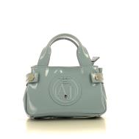 | 922528 | CC855 | 631 | soft blue | 81 | € 109.00 | € 8,829.00 | CHINA | 8057015557144 | 80% POLIESTERE 20% VISCOSA
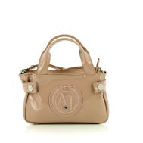 | 922528 | CC855 | 677 | hibiscus | 18 | € 109.00 | € 1,962.00 | CHINA | 8057015557151 | 80% POLIESTERE 20% VISCOSA
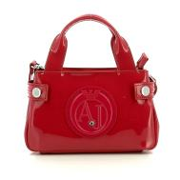 | 922528 | CC855 | 8873 | raspberry | 0 | € 109.00 | € 0.00 | CHINA | 8057015557168 | 80% POLIESTERE 20% VISCOSA
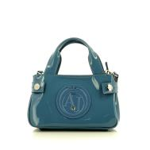 | 922528 | CC855 | 9134 | medium blue | 4 | € 109.00 | € 436.00 | CHINA | 8052390277687 | 80% POLIESTERE 20% VISCOSA
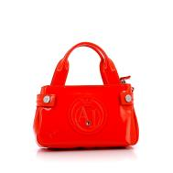 | 922528 | CC855 | 25574 | firebrick 5 | 84 | € 109.00 | € 9,156.00 | CHINA | 8051518539737 | 80% POLIESTERE 20% VISCOSA
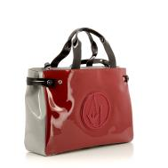 | 922548 | CC852 | 7376 | red 19 | 13 | € 150.00 | € 1,950.00 | CHINA | 8053320822526 | 80% POLIESTERE 20% VISCOSA
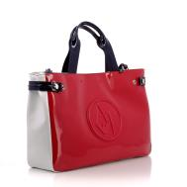 | 922548 | CC852 | 15373 | striped pi | 0 | € 150.00 | € 0.00 | CHINA | 8057015557885 | 80% POLIESTERE 20% VISCOSA
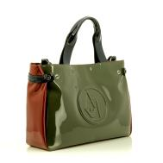 | 922548 | CC852 | 17642 | anthracite | 18 | € 150.00 | € 2,700.00 | CHINA | 8053320822540 | 80% POLIESTERE 20% VISCOSA
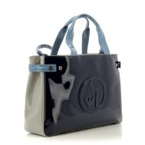 | 922548 | CC852 | 38135 | navy | 13 | € 150.00 | € 1,950.00 | CHINA | 8056685199418 | 80% POLIESTERE 20% VISCOSA
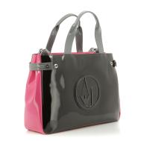 | 922548 | CC852 | 43720 | black 1 | 6 | € 150.00 | € 900.00 | CHINA | 8056685199425 | 80% POLIESTERE 20% VISCOSA

 |  |  |  |  | 925 |  | € 131,118.00

